Foglio1
 | 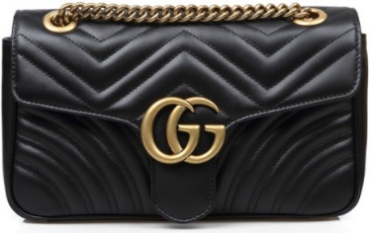 | 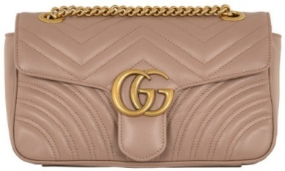
Art: | 443497 DTDIT 1000 | 443497 DTDIT 5729 | 443497 DTDIT 6433
Category: | Bags | Bags | Bags
Color: | Black | Rose antic | Red
Retail price: | 2,000.00 € | 2,000.00 € | 2,000.00 €
Pieces: | 82 | 28 | 32 | 142
 | 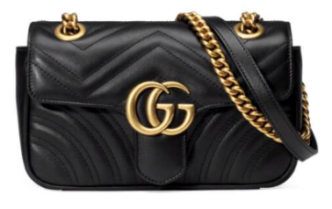
Art: | 446744 DTDIT 1000 |  | 446744 DTDIT 6433
Category: | Bags |  | Bags
Color: | Black |  | Red
Retail price: | 1,900.00 € |  | 1,900.00 €
Pieces: | 96 |  | 57 | 153

Art: | 447632 DTD1T 1000 | 447632 DTD1T 5729 | 447632 DTD1T 6433
Category: | Bags | Bags | Bags
Color: | Black | Rose antic | Red
Retail price: | 1,490.00 € | 1,490.00 € | 1,490.00 €
Pieces: | 123 | 54 | 25 | 202
 | 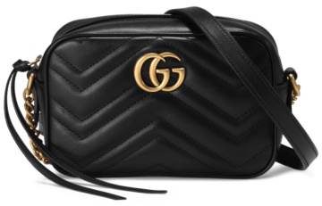
Art: | 448065 DTD1T 1000 | 448065 DTD1T 5729 | 448065 DTD1T 6433
Category: | Bags | Bags | Bags
Color: | Black | Rose antic | Red
Retail price: | 1,290.00 € | 1,290.00 € | 1,290.00 €
Pieces: | 112 | 52 | 29 | 193
 |  |  | 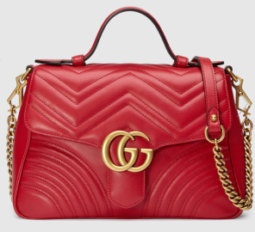
Art: | 498110 DTDIT 1000 |  | 498110 DTDIT 6433
Category: | Bags |  | Bags
Color: | Black |  | Red
Retail price: | 2,300.00 € |  | 2,300.00 €
Pieces: | 98 |  | 39 | 137
 |  |  | Tot pcs: | 827

BELT
 |  |  |  |  | qty | RRP
 | 414516 AP00T | 1000 | BLACK | BELT FIBBIA DOPPIA G |  | € 395.00 | 80 | 85 | 90
 |  |  |  |  | 28 |  | 0 | 1 | 27

 | 409417 AP00T | 1000 | BLACK | BELT FIBBIA DOPPIA G |  | € 350.00 | 80 | 85 | 90
 |  |  |  |  | 14 |  | 5 | 8 | 1

 | 411924 CWC1N | 1000 | BLACK | BELT FIBBIA DOPPIA G |  | € 450.00 | 80 | 85 | 90
 |  |  |  |  | 4 |  |  |  | 4

 |  |  |  |  | 46

